CIRCLE INTERPOLATIONS
CIRCLE INTERPOLATION MILLING CALCULATOR

NOTE: During internal circle interpolations, the outside diameter of a milling cutter advances faster than the centerline of the tool. This will produce a thicker chip than the calculated feed rate. (IPT) During external circle interpolations, the outside diameter of a milling cutter will advance slower than the centerline of the tool. This will produce a thinner chip than the calculated feed rate. (IPT) When less than 1/2 of the diameter of the tool is engaged (radial) with the workpiece, there will also be radial chip thinning effects. This calculator solves for both effects. Enter the cutter diameter, radial width of cut (WOC), the internal or external circle diameter (diameter being produced, not starting diameter) and the desired chip load per tooth. (IPT) The calculator will give you the "adjusted" feed rate (IPT) to maintain the desired chip thickness.

INTERNAL APPLICATIONS

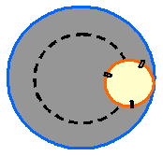
 | 0.125 | Cutter Diameter | 0.750 | Circle Diameter (after the cut)

 | 0.010 | Radial Width of Cut (WOC) | 0.0050 | Desired Chip Load (IPT)

 | 0.0077 | Adjusted Chip Load (IPT)

NOTE: If the operation is not a full circle interpolation, simply input into the "Circle Diameter" data cell what the theoretical circle size would be. EXAMPLE: A 1.00 inch diameter end mill cuts an internal 90 degree corner that has a .625 inch radius. The circle diameter is the radius X 2, or 1.250 inches. For ID operations the radius of the cutting tool must always be equal to or smaller than the radius to be interpolated. Whenever practical, try to have the tool diameter be less than or equal to about 1/3 of the diameter to be interpolated

EXTERNAL APPLICATIONS

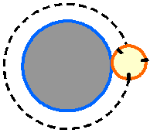
 | 1.000 | Cutter Diameter | 4.000 | Circle Diameter (after the cut)

 | 0.500 | Radial Width of Cut (WOC) | 0.0050 | Desired Chip Load (IPT)

 | 0.0062 | Adjusted Chip Load (IPT)

NOTE: If the operation is not a full circle interpolation, simply input into the "Circle Diameter" data cell what the theoretical circle size would be. EXAMPLE: A 1.00 inch diameter end mill cuts a 45 degree corner that has a 4.00 inch radius. The circle diameter is the radius X 2, or 8.00 inches. Whenever practical, it is a good idea to have the tool diameter greater than about 1/2 of the radial width of cut on external interpolations.

ROUND INSERT TOOLS
BALL NOSE & ROUND INSERT CUTTING CALCULATIONS & ADJUSTMENTS

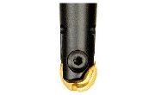

SPEED AND FEED CALCULATIONS

 |  | ENTER REQUIRED INFORMATION IN WHITE

 | DESIRED CUTTING SPEED (SFM) |  | 250 |  | INSERT OR ENDMILL DIAMETER |  |  | 0.62 | Inches

DESIRED FEED RATE (IPT) |  |  | 0.0025 | Inches | DEPTH OF CUT - (DOC) |  |  | 0.05 | Inches

 | NUMBER OF EFFECTIVE FLUTES |  | 2 |  | RADIAL CHIP THINNING FACTOR |  |  | 0.54457880697

TRUE TOOL DIAMETER |  | CORRECTED RPM |  |  | ADJUSTED FEED RATE (IPT) |  |  | CORRECT TABLE FEED (IPM)

0.3376 |  | 2,828 |  |  | 0.0046 |  |  | 25.97

ROUND INSERT & BALL NOSE CUTTER SURFACE FINISHES

 |  | ENTER REQUIRED INFORMATION IN WHITE

 | ****SURFACE FINISHES ARE THEORETICAL AND GIVEN IN Ra VALUES - RMS = Ra x 1.11****

TO FIND: |  |  | RESULTING SURFACE FINISH IN Ra |  |  | REQUIRED STEPOVER TO ACHIEVE Ra |  |  | DIAMETER TO ACHIEVE Ra

 |  |  | 43.1 |  |  | 0.0050 |  |  | 0.18

ENTER

TOOL DIAMETER: |  |  | 0.1180 |  |  | 0.5000

TOOL STEP OVER: |  |  | 0.0080 |  |  |  |  |  | 0.0030

SURFACE FINISH - Ra: |  |  |  |  |  | 4.0 |  |  | 4.0

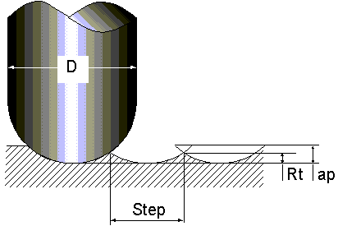
 |  |  | ****TO FIND Rt****

 |  | INSERT OR TOOL DIAMETER |  | 0.5 | TOOL STEP OVER | 0.03 | Rt: | 0.0004504057

 |  |  |  | Back to Top

